dummydata
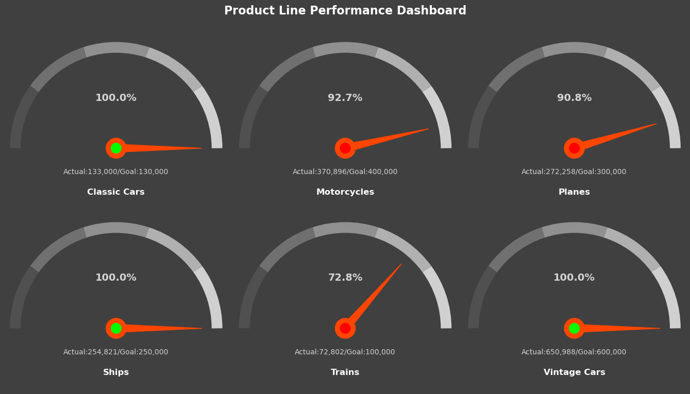
Product Line | Goal | Actual
Classic Cars | $130,000 | $133,000
Motorcycles | $400,000 | $370,896
Planes | $300,000 | $272,258
Ships | $250,000 | $254,821
Trains | $100,000 | $72,802
Vintage Cars | $600,000 | $650,988

